Pressure Reduction
 | This program determines whether or not a step reduction/low flow bypass is needed.

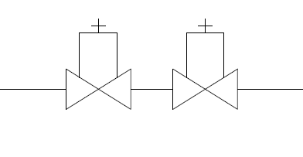
Step Reduction | Pressure Reduction in Series:
1) Start by entering the values for inlet and outlet pressure. The Reduction Ratio value determines the overall value of reduction. (To prevent valve chatter and unecessary wear, a ratio of 4:1 or less is desired for every valve used.)
 | Inet Pressure (PSI):
 | Outlet Pressure(PSI):
 | Reduction Ratio:
2) The program will now determine if a step reduction is needed. | #DIV/0!
3) If step reduction is needed, listed will be the amount of valves (steps) needed as well as the value to set the valves at to ensure proper function.
 | Number of Valves: |  | 0
 | 0 | 0 | 0 | 0
*Note: High Range/Low Range valves may be suggested and are an optional addition to valves. | 0 | 0 | 0 | 0
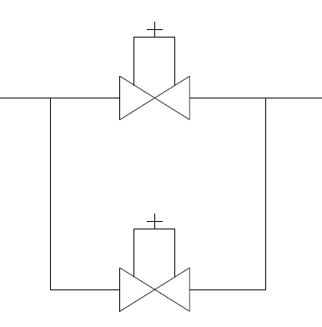
 | 0 | 0 | 0 | 0

Low Flow | Low Flow Bypass in Parallel:
1) Start by entering the values for maximum flow rate and minimum flow rate.
 | Maximum Flow Rate (GPM):
2) Select a valve size. | Minimum Flow Rate (GPM):
*Note: This program might suggest a larger valve size due to the conditions of the flow values entered. | Valve Size (in):

3) Valves shown with "Supplied in Size" are valves that are manufactured in that selected size. To explore options further, click valve name (or the tabs located at the bottom) and create a model based on the flow characteristics. To access the valves' specification sheet, click the cell labeled "SpecSheet"
 | Possible Valves:
 |  | 0 | 0
 |  | 0 | 0
 |  | 0 | 0

500XL
 |  | Model 500XL

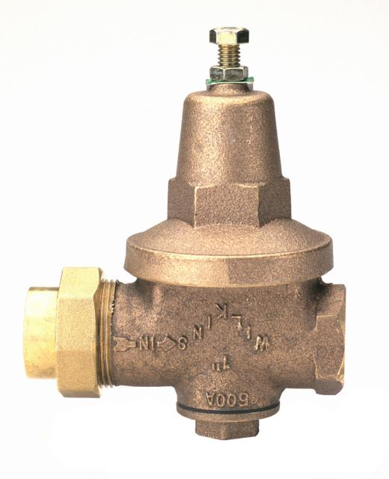

This program will create a system containing the 500XL specifying the amount of valves, pressure settings, and flow characteristics for proper function. |  |  |  | Max Flow (GPM)

 |  |  |  | Min Flow (GPM)
1) Enter the value for the max flow through the system. Then, enter the value for the minimum flow. (If the minimum flow is unknown, leave blank or enter "0"
 |  |  |  | Allowable Falloff (PSI)

2) Enter the value for the allowable falloff. Falloff is defined as the pressure drop within a system due to a given flow: i.e. the greater the flow the greater the falloff. |  |  |  | Inlet Pressure (PSI)

 |  |  |  | Outlet Pressure (PSI)
*Note: Falloff is typically acceptable in the range of 12-17(PSI)
3) Enter the value for the system's inlet pressure and the desired outlet pressure. |  |  |  | Please reference: | #DIV/0!

4) The program will now generate a table with values relevant to the system's characteristics. |  |  |  | Installation | Size |  | Flow |  | Pressure

5)Please refer to the cell "Figure. Number" in order to see a visual representation of the system. |  |  |  | System 1
 |  |  |  | High Flow [A] | 0 | (IN) | 0 | (GPM) | #DIV/0! | (PSI)
*Note: figure is only a representation of the system and may vary in detail from each application. |  |  |  | Intermediate Flow [D] | 0 | (IN) | 0 | (GPM) | 0 | (PSI)
 |  |  |  | Low Flow [F] | 0 | (IN) | 0 | (GPM) | 0 | (PSI)
 |  |  |  | System 2
 | Max Working Inlet Pressure | 300 | (PSI) | High Flow [B] | 0 | (IN) | 0 | (GPM) | #DIV/0! | (PSI)
 | Max Water Temperature | 140 | (F) | Intermediate Flow [E] | 0 | (IN) | 0 | (GPM) | 0 | (PSI)
 | Max Reduction Pressure | 125 | (PSI) | Low Flow [H] | 0 | (IN) | 0 | (GPM) | 0 | (PSI)
 | Min Reduction Pressure | 10 | (PSI) | System 3
 | Min Flow | 0 | (GPM) | High Flow [C] | 0 | (IN) | 0 | (GPM) | #DIV/0! | (PSI)
 |  |  |  | Intermediate Flow [G] | 0 | (IN) | 0 | (GPM) | 0 | (PSI)
 |  |  |  | Low Flow [I] | 0 | (IN) | 0 | (GPM) | 0 | (PSI)

NR3XL
 |  | Model NR3XL

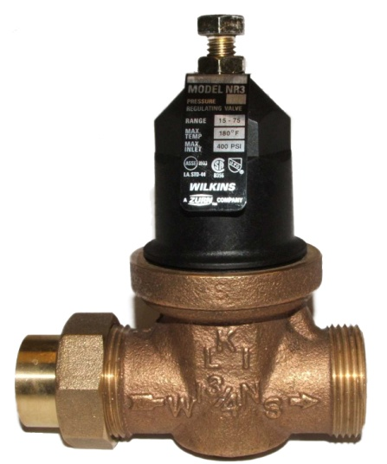

This program will create a system containing the NR3XL specifying the amount of valves, pressure settings, and flow characteristics for proper function. |  |  |  |  | Max Flow (GPM)

 |  |  |  |  | Min Flow (GPM)
1) Enter the value for the max flow through the system. Then, enter the value for the minimum flow. (If the minimum flow is unknown, leave blank or enter "0"
 |  |  |  |  | Allowable Falloff (PSI)

2) Enter the value for the allowable falloff. Falloff is defined as the pressure drop within a system due to a given flow: i.e. the greater the flow the greater the falloff. |  |  |  |  | Inlet Pressure (PSI)

 |  |  |  |  | Outlet Pressure (PSI)
*Note: Falloff is typically acceptable in the range of 12-17(PSI)
3) Enter the value for the system's inlet pressure and the desired outlet pressure. |  |  |  |  | Please reference: | #DIV/0!

4) The program will now generate a table with values relevant to the system's characteristics. |  |  |  |  | Installation | Size |  | Flow |  | Pressure

5)Please refer to the cell "Figure. Number" in order to see a visual representation of the system. |  |  |  |  | System 1
 |  |  |  |  | High Flow [A] | 0 | (IN) | 0 | (GPM) | #DIV/0! | (PSI)
*Note: figure is only a representation of the system and may vary in detail from each application. |  |  |  |  | Intermediate Flow [D] | 0 | (IN) | 0 | (GPM) | 0 | (PSI)
 |  |  |  |  | System 2
 |  |  |  |  | High Flow [B] | 0 | (IN) | 0 | (GPM) | #DIV/0! | (PSI)
 | Max Working Inlet Pressure | 400 | (PSI) | (1/2"-1-1/4") | Intermediate Flow [E] | 0 | (IN) | 0 | (GPM) | 0 | (PSI)
 | Max Working Inlet Pressure | 300 | (PSI) | (1-1/2" - 2") | System 3
 | Max Water Temperature | 140 | (F) |  | High Flow [C] | 0 | (IN) | 0 | (GPM) | #DIV/0! | (PSI)
 | Max Reduction Pressure | 125 | (PSI) |  | Intermediate Flow [G] | 0 | (IN) | 0 | (GPM) | 0 | (PSI)
 | Min Reduction Pressure | 10 | (PSI)
 | Min Flow | 0 | (GPM)

 | #DIV/0!

600XL
 |  | Model 600XL

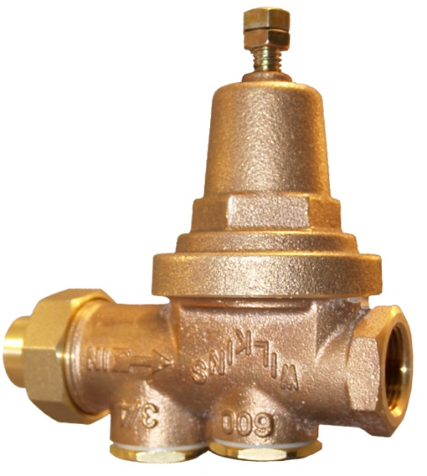

This program will create a system containing the 600XL specifying the amount of valves, pressure settings, and flow characteristics for proper function. |  |  |  | Max Flow (GPM)

 |  |  |  | Min Flow (GPM)
1) Enter the value for the max flow through the system. Then, enter the value for the minimum flow. (If the minimum flow is unknown, leave blank or enter "0"
 |  |  |  | Allowable Falloff (PSI)

2) Enter the value for the allowable falloff. Falloff is defined as the pressure drop within a system due to a given flow: i.e. the greater the flow the greater the falloff. |  |  |  | Inlet Pressure (PSI)

 |  |  |  | Outlet Pressure (PSI)
*Note: Falloff is typically acceptable in the range of 12-17(PSI)
3) Enter the value for the system's inlet pressure and the desired outlet pressure. |  |  |  | Please reference: | #DIV/0!

4) The program will now generate a table with values relevant to the system's characteristics. |  |  |  | Installation | Size |  | Flow |  | Pressure

5)Please refer to the cell "Figure. Number" in order to see a visual representation of the system. |  |  |  | System 1
 |  |  |  | High Flow [A] | 0 | (IN) | 0 | (GPM) | #DIV/0! | (PSI)
*Note: figure is only a representation of the system and may vary in detail from each application. |  |  |  | Intermediate Flow [D] | 0 | (IN) | 0 | (GPM) | 0 | (PSI)
 |  |  |  | System 2
 |  |  |  | High Flow [B] | 0 | (IN) | 0 | (GPM) | #DIV/0! | (PSI)
 | Max Working Inlet Pressure | 300 | (PSI) | Intermediate Flow [E] | 0 | (IN) | 0 | (GPM) | 0 | (PSI)
 | Max Water Temperature | 140 | (F) | System 3
 | Max Reduction Pressure | 125 | (PSI) | High Flow [C] | 0 | (IN) | 0 | (GPM) | #DIV/0! | (PSI)
 | Min Reduction Pressure | 10 | (PSI) | Intermediate Flow [G] | 0 | (IN) | 0 | (GPM) | 0 | (PSI)
 | Min Flow | 0 | (GPM)

 | #DIV/0!

